Sheet1
How to Use/SetUp BANDICAM

Step 1 : | Search and Open Bandicam from your Desktop.

Step 2 : | Go to VIDEO to Setup RECORD/STOP & PAUSE HOTKEY

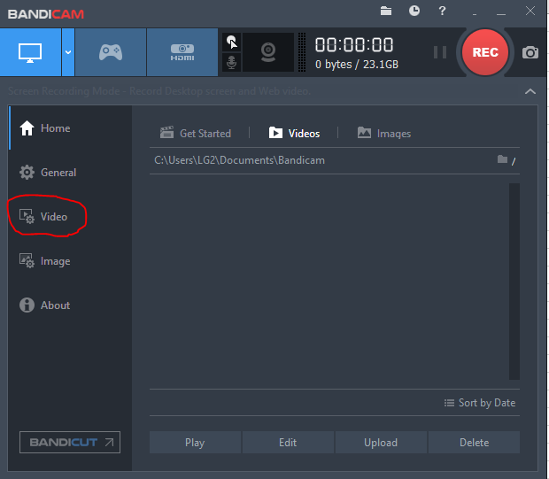
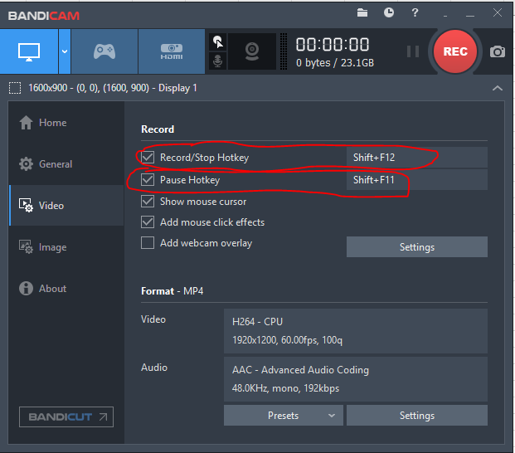

Step 3 : | If you want to Capture while recording you can Change the Hotkey for Camera Sreenshot just go to IMAGE in Bandicam App.

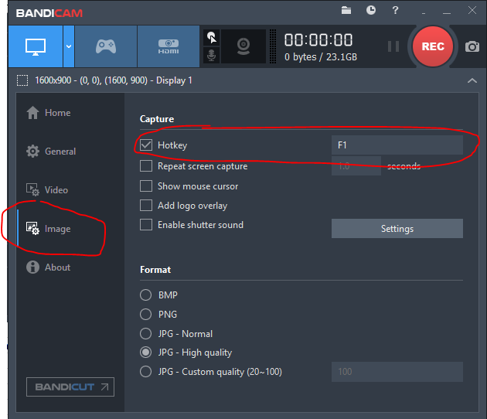

Step 4 : | Before you proceed to recording Go to Video Screen Setting Located at the Top of the Bandicam

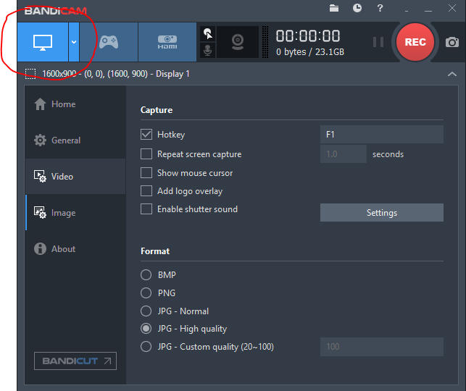

Step 5 : | Select Settings you want. SELECT RECORDING AREA / RECTANGLE ON A SCREEN / FULL SCREEN & AROUND MOUSE.
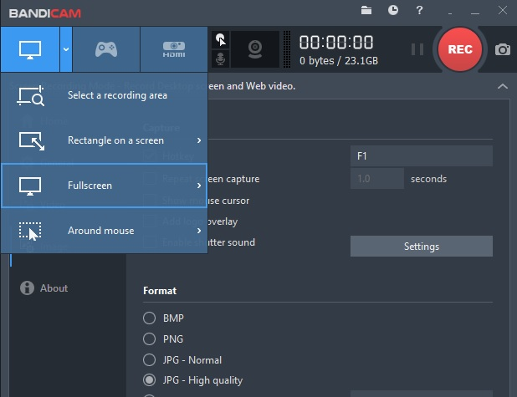

Step 6 : | After you choose between this Settings you are Ready to Start Recording. Just Put your Mouse Cursor at the Top of the Screen to Start Recording
 |  | or just by Pressing the Hotkey to Start/Stop & Pause
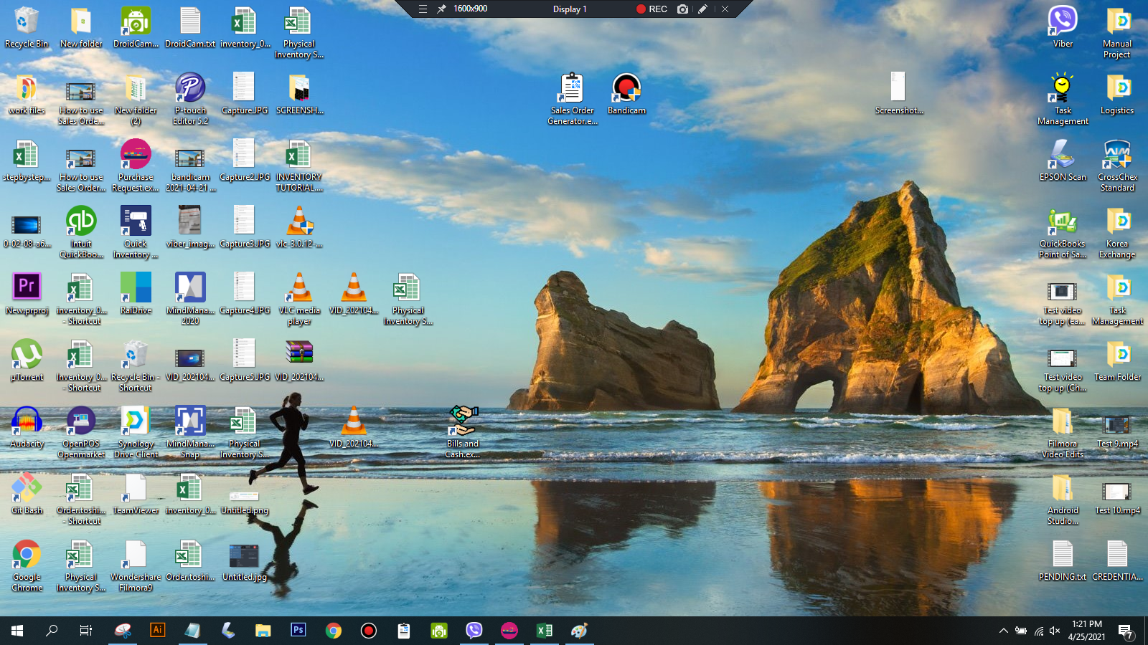

Step 7 : | After recording it will automatically save to your Bandicam Documents you can find it at HOME
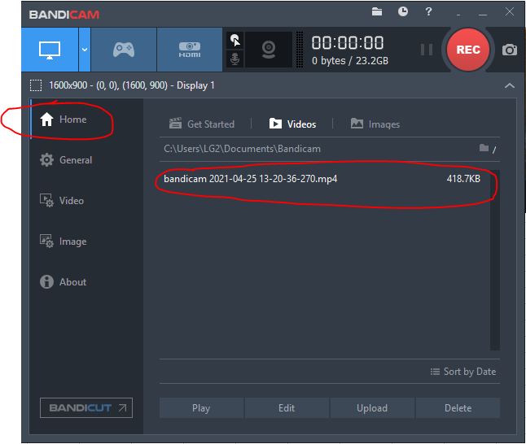

DONE

